Ch 7 Review
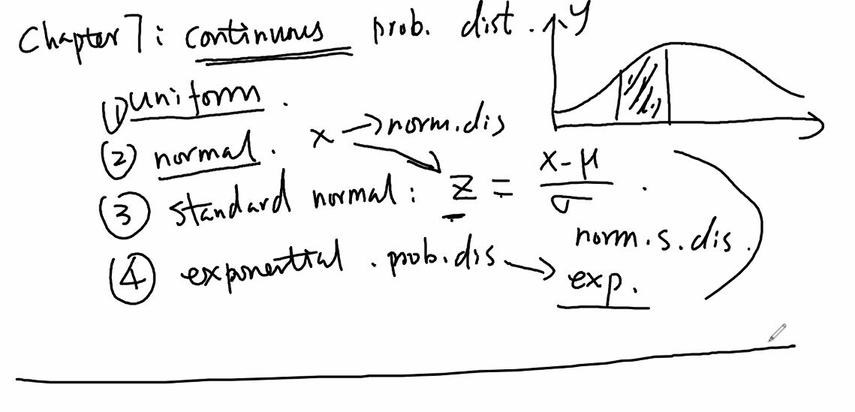

Ch 6 Review
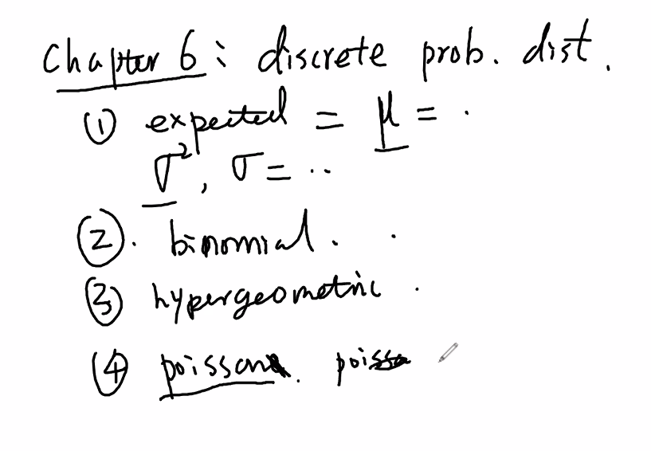

Ch 8 Review
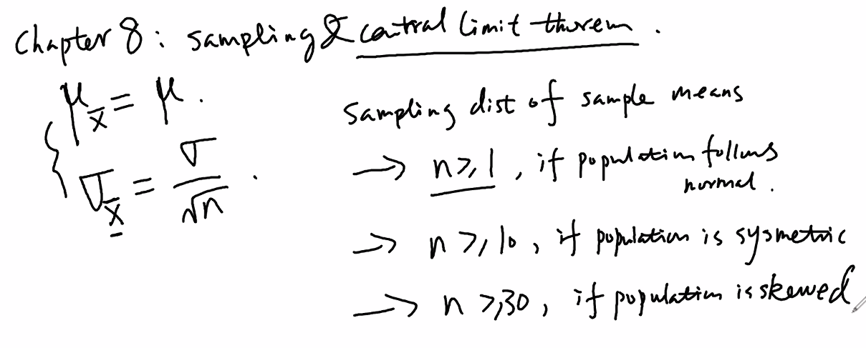

Ch 9 Review
Sigma known |  |  | Sigma unknown
 |  |  | Same as known but t values rather than z values
95% | z | 1.960 | 95% | t
99% | z | 2.575 | 99% | t
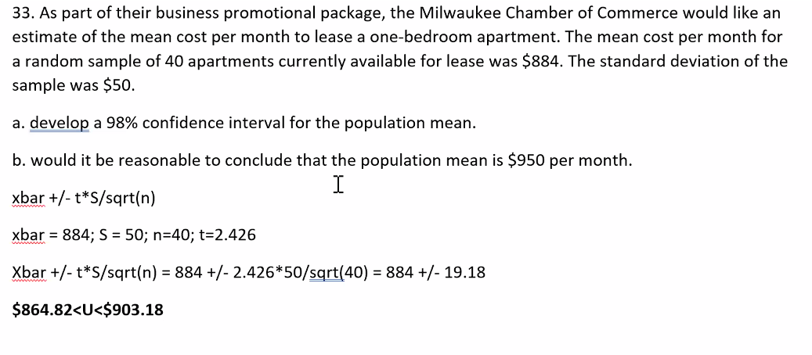
90% | z | 1.645 | 90% | t
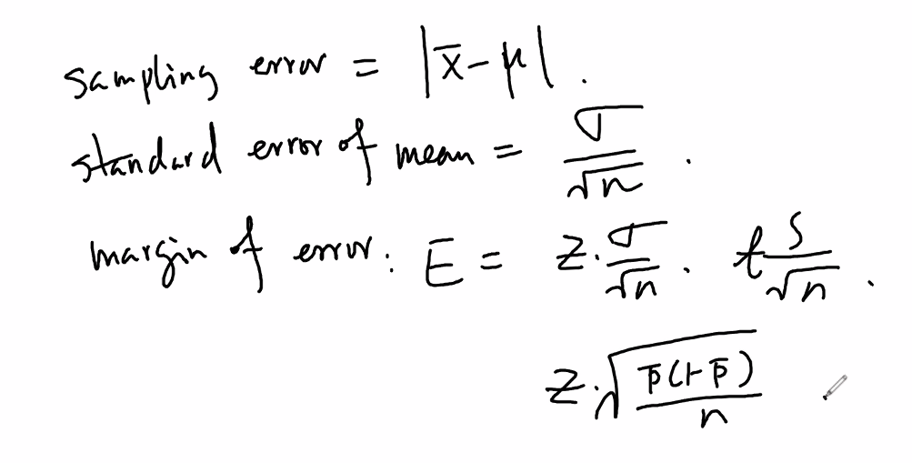
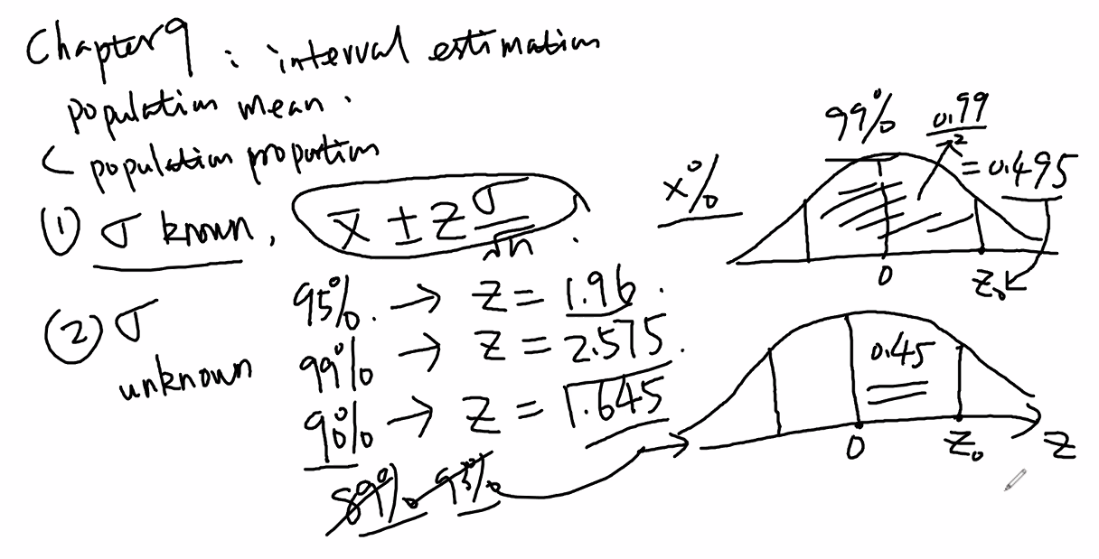

 |  |  |  |  | std error of the proportion
 |  |  |  |  | SEp = sqrt [ p ( 1 - p) / n]

z-Table
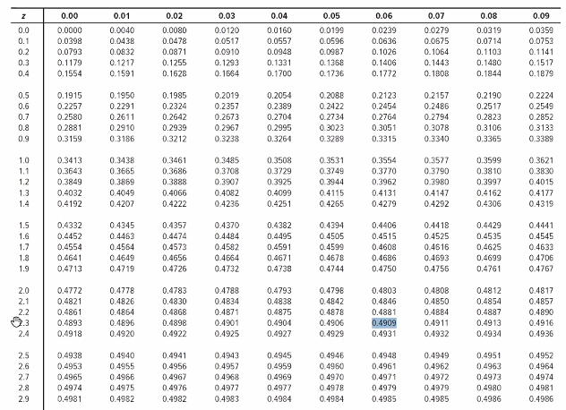

Sheet8
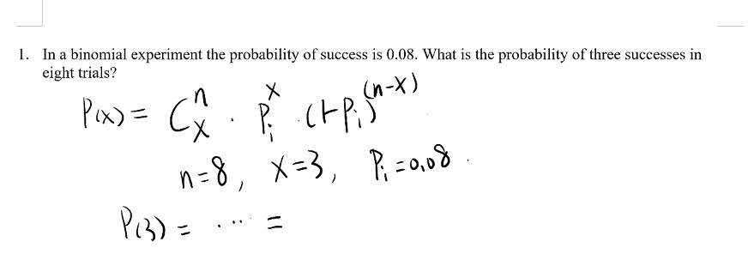
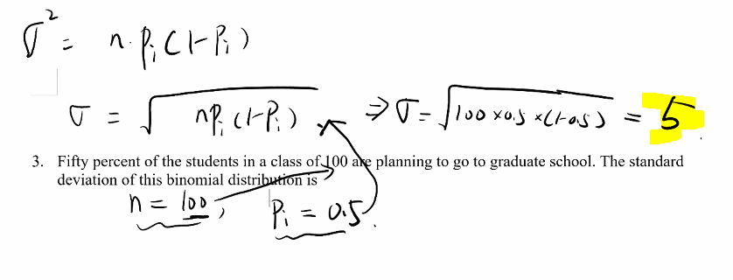

 | Xi | P(xi
 | 1 | 0.1
 | 2 | 0.2
 | 3 | 0.3

 | Mu = | 1.4

0.018897185433

Sheet9
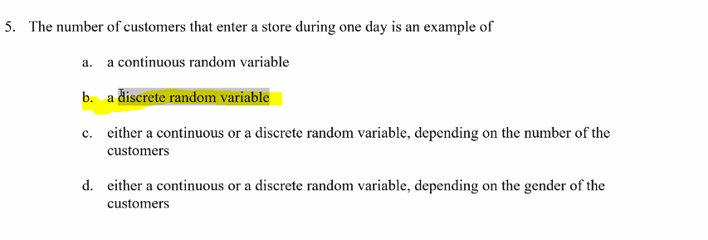
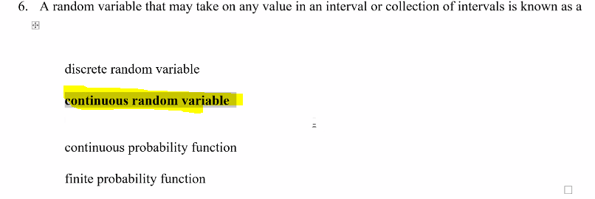

Sheet10
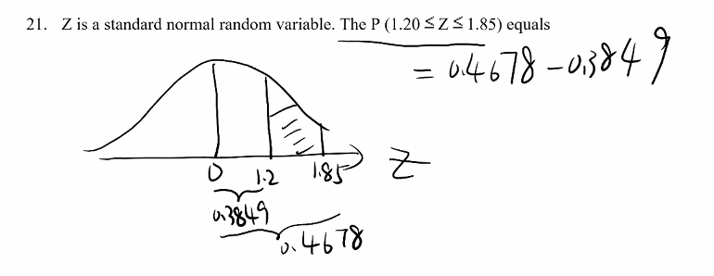
 | 0.88493032978
 | 0.9678432252
 | 0.082912895426

0.73891370031
0.35197270758
0.38694099273

Sheet12
 | order doesn’t matter combination

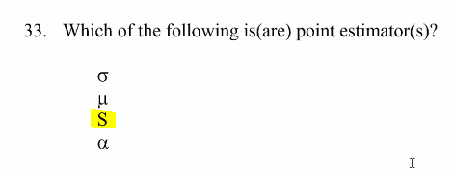

 | z-table | 2.365 | per z-table
x-Bar too

Sheet13
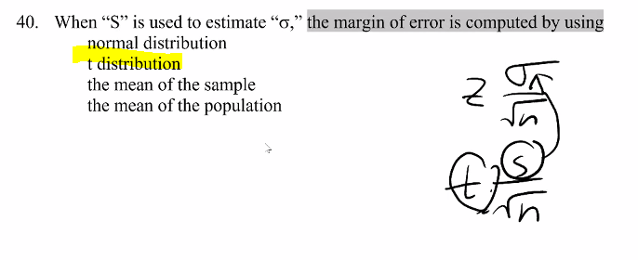

1
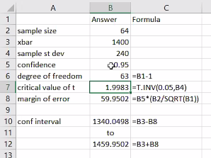
1

Exhibit 8-5
A random sample of 64 SAT scores of students applying for merit scholarships showed an average of 1400 with a standard deviation of 240.

47 | Refer to Exhibit 8-5. If we want to provide a 95% confidence interval for the SAT scores, the degrees of freedom for reading the critical values of “t” statistic is
48 | Refer to Exhibit 8-5. The “t” value for this interval estimation is
49 | Refer to Exhibit 8-5. The margin of error at 95% confidence is
50 | Refer to Exhibit 8-5. The 95% confidence interval for the SAT scores is

3
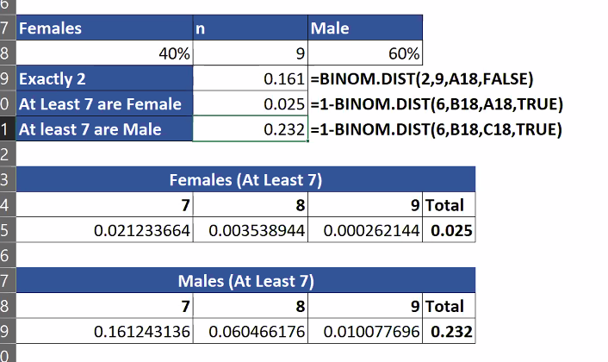
3
Exhibit 5-2

The student body of a large university consists of 40% female students. A random sample of 9 students is selected.

What is the probability that among the students in the sample exactly two are female?

 | What is the probability that among the students in the sample at least 7 are female?

What is the probability that among the students in the sample at least 7 are male?

